Title
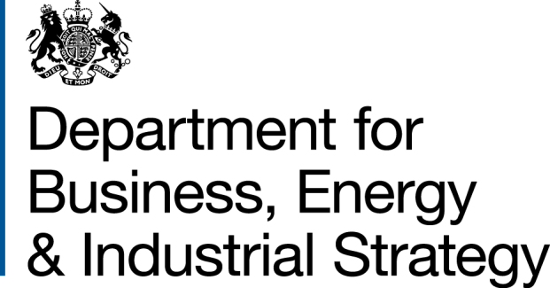
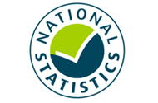

 | Household Energy Efficiency
 | Statistics

Please direct all press enquiries to Press Officer 020 7215 5975

Responsible Statistician
Helene Clark
EnergyEfficiency.Stats@beis.gov.uk
020 7215 1259

This workbook was updated on 18 June 2020

Further Info
Further information
© Crown copyright 2020. You may re-use this information (not including logos) free of charge in any format or medium, under the terms of the Open Government Licence.
To view this licence, visit www.nationalarchives.gov.uk/doc/open-government-licence/
or write to the Information Policy Team, The National Archives, Kew, London TW9 4DU, or email: psi@nationalarchives.gsi.gov.uk.
Any enquiries or comments in relation to this statistical release should be sent to the Household Energy Efficiency Statistics Team at the following email address: EnergyEfficiency.Stats@beis.gov.uk or following contact telephone: 020 7215 1259. The statistician responsible for this publication is Helene Clark.
This document is also available from our website at: https://www.gov.uk/government/collections/household-energy-efficiency-national-statistics
Further information on energy statistics is available at: https://www.gov.uk/government/organisations/department-for-business-energy-and-industrial-strategy/about/statistics
For further information on background and Green Deal and Energy Company Obligation (ECO) policies, please see annex from the following detailed report (March 2020):
https://www.gov.uk/government/statistics/household-energy-efficiency-national-statistics-detailed-report-2019
Revision Policy
As with any data collection with a short time lag between data receipt and published release, there may be some data quality issues to resolve. Therefore data in these headline releases should be treated as provisional and subject to revision. Any revisions will be marked in the data tables and for any significant revisions we will provide an explanation of the main reasons.
Methodology Note and Background Quality Report
The statistics presented in this report are used by a wide range of organisations. Please see the accompanying methodology note and the background quality report (summarising the quality assurance relating to the statistics) for more details: https://www.gov.uk/government/publications/household-energy-efficiency-statistics-methodology-note
National Statistics
This is a National Statistics publication. The United Kingdom Statistics Authority has designated these statistics as National Statistics, in accordance with the Statistics and Registration Service Act 2007 and signifying compliance with the UK Statistics Authority: Code of Practice for Statistics. The Statistics Authority published its report on 12 June 2014: https://www.statisticsauthority.gov.uk/assessment/assessment-report/index.html
Designation can be broadly interpreted to mean that the statistics:
• meet identified user needs
• are well explained and readily accessible
• are produced according to sound methods, and
• are managed impartially and objectively in the public interest
Once statistics have been designated as National Statistics it is a statutory requirement that the Code of Practice shall continue to be observed.

Overall Summary
Overall Summary
Introduction
This release presents the latest statistics on the Energy Company Obligation (ECO) and the Green Deal (GD).
Key points
Energy Efficiency Measures, Households and Carbon Savings
The Government established a target to upgrade around 1 million homes between May 2015 and April 2020. Provisional data for April 2020 suggests the target has been met as around 1,003,300 homes have had at least one improvement measure installed under ECO or the Green Deal (Table 1.3) in that period. (Infographic 1).
Around 2.8 million measures were installed in around 2.2 million properties through ECO and under the Green Deal Framework to the end of March 2020. Around 2.7 million of these installed measures (97 per cent) were delivered through ECO (Tables 1.1 and 1.2).
In Q1 2020, around 65,200 measures were installed through ECO in around an additional 32,000 households (Tables 3.3 and 4.1).
The provisional estimated lifetime carbon savings of measures installed by the end of March 2020, under ECO (including Affordable Warmth), Cashback, GDHIF and GD Plans was up to 51.3 MtCO2 with provisional estimated lifetime energy savings up to 198,200 GWh (Table 1.4).
ECO Measures Installed and Households
Provisional figures show there were around 2.75m measures installed in 2.10m households under ECO up to the end of April 2020 (Tables 2.3 to 2.8). Statistics are based on data submitted to Ofgem by energy suppliers and there are likely delays between a measure being installed and then reported.
Since the start of ECO3 in October 2018, 314,600 measures have been installed. This includes 10,400 measures installed in April 2020, which represents a provisional decrease of 58 per cent relative to the number of measures delivered in March 2020 (Table 2.5). This significant reduction in measures was a result of the impact of COVID-19 and the lockdown measures put in place from the end of March 2020. Despite the stay at home guidance (lockdown) and the closure of non-essential services from 23rd March, the delivery of ECO measures was not banned during this time period, because some measures would be considered emergency work, such as fixing a broken heating system, whereas others would not require internal access to install. Suppliers have until March 2022 to deliver their ECO3 obligations.
Of all notified ECO measures installed to end of April 2020, 65 per cent of measures have been insulation measures, including cavity wall insulation (34 per cent), loft insulation (22 per cent), solid wall insulation (seven per cent) and 'other insulation' (two per cent). The remainder are mostly heating measures, with 23 per cent boiler measures and a further 12 per cent for ‘other heating’ measures (Tables 2.6, 2.7 and 2.8 and Infographic 2).
The share of 'heating' measures has increased in ECO3 compared to the previous ECO phases, with boiler measures representing 29 per cent of measures and a further 22 per cent from ‘other heating’ measures up to the end of April 2020. This is due to the Affordable Warmth obligation, the only sub-obligation to include boilers, making up the whole of ECO3. Of all notified ECO3 measures installed to end of April 2020, 18 per cent were for cavity wall insulation, 12 per cent were for loft insulation and five per cent were for solid wall insulation. These are much higher than the share of insulation measures through Affordable Warmth across all ECO phases, where nine per cent were for cavity wall insulation, nine per cent were for loft insulation and two per cent were for solid wall insulation (Table 2.8). In ECO3, the share of 'other insulation' has increased to 13 per cent. This is due to under floor insulation being the most popular associated insulation measure with a broken boiler. To date, the scheme has delivered 44,200 broken boiler replacements with an associated insulation measure, which has been under floor insulation in 83 per cent of cases (Tables 2.6, 2.7 & 2.8, Chart 2a & 2b).
Through ECO, the combination of Affordable Warmth and the Carbon Savings Community Obligation have delivered around 1.67 million measures in around 1.18 million low income and vulnerable households, or households in specified areas of low income, by the end of April 2020 (Tables 2.6, 2.7 & 2.8). Since the start of April 2017, around 458,600 Affordable Warmth measures have been installed in around 296,300 low income and vulnerable households (Tables 2.7 and 2.8).
Up to the end of March 2020, around one fifth (18 per cent) of ECO measures were in the North West (498,200), the highest in any region. Thirteen per cent of ECO measures were installed in Scotland (345,400) and five per cent were in Wales (150,300). In Q1 2020 around 17 per cent of ECO measures were in the North West (11,000), the highest in any region. Thirteen per cent of ECO measures were installed in Scotland (8,500) and around six per cent were in Wales (4,000) (Infographic 3, Table 3.3).
Around eight per cent of all households in Great Britain had a measure installed under ECO (i.e. around 79 per 1,000 households), up to the end of March 2020. The North West and North East regions had the highest amounts in England, with 118 and 104 households with ECO measures per 1,000 households respectively. There were also around 116 measures per 1,000 households in Scotland and 81 per 1,000 households in Wales (Map 1, Table 4.1 and Table 4.4).
In total, to the end March 2020, around 84 per cent of ECO measures were installed in properties that used gas as their main fuel type (around 2,313,900 measures). This figure has decreased from 97 per cent in the first quarter of ECO to 59 per cent in the last quarter of ECO Help-to-Heat (Q3 2018) before rising to 76 per cent in Q1 2020 (Chart 3, Table 3.2).
Around 1,174,600 Affordable Warmth ECO measures installed up to the end of March 2020 are estimated to deliver £13.79bn worth of notional lifetime bill savings. In Q1 2020, Affordable Warmth delivered around 65,200 measures, resulting in around £492m of lifetime bill savings (Chart 4, Table 2.1).
Local Authorities can determine eligible homes under the ‘flexible eligibility’ mechanism. The Affordable Warmth Obligation is measured through lifetime savings and up to 25 per cent of the ECO3 obligation can be delivered through ‘Flexible Eligibility’. Up to March 2020, 157 local authorities had seen 50 or more measures installed through Flexible Eligibility, 38 of which had over 500 measures installed. Scotland had the highest number of flex measures installed of any region, with 19 per cent of the flex measures in Great Britain, whereas Wales had 15 per cent. The South West region had the highest share of any region in England, with around 17 per cent of all flex measures installed in Great Britain (Table 3.5).
Since the introduction of Flexible Eligibility, 76,200 measures have been delivered through this aspect of the scheme up to the end of April 2020 (Tables 2.7 & 2.8). Under ECO3, up to 25 per cent of the obligation can be delivered through Flex, with around 19 per cent of this obligation delivered through Flex up to the end of April 2020 (Chart 5).
ECO Costs
The total ECO delivery costs up to the end of March 2020 were around £4.30bn, with an additional £454m in administrative costs. This meant that the total cost of ECO for the period was £4.76 billion. (Table 6.1). The delivery costs for ECO3 up to the end of March 2020 were £516m, with 40 per cent of these costs funding boiler and 'other heating' systems. (Table 6.6)
Green Deal Plans
Green Deal (GD) Plans – there were 13,867 ‘live’ or ‘completed’ GD Plans in unique homes at the end of April 2020. Of these, 11,048 were ‘live’ (all measures installed) and 2,819 were 'completed' (all measures installed and paid off). At the end of April 2020, 80 per cent of all plans were 'live'. Over the last three months (February 2020 - April 2020) 142 plans were ‘completed’, compared to 164 completions in the previous three months (Table 7.1).

Monthly Summary
Monthly Summary
Key points
ECO Measures Installed and Households
Provisional figures show there were around 2.75m measures installed in 2.10m households under ECO up to the end of April 2020 (Tables 2.3 to 2.8).
Since the start of ECO3 in October 2018, 314,600 measures have been installed. This includes 10,400 measures installed in April 2020, which represents a provisional decrease of 58 per cent relative to the number of measures delivered in March 2020 (Table 2.5). There was a decline in the number of installations for all measure types, with a proportionately greater fall in cavity wall installations. The significant reduction in measures appears to be due to the impact of COVID-19 and the lockdown measures put in place from the end of March 2020. The daily number of installations are illustrated in Chart 9, demonstrating the lower daily levels installed from the end of March and through April compared to earlier in 2020. Despite the stay at home guidance (lockdown) and the closure of non-essential services from 23rd March, the delivery of ECO measures was not banned during this time period, because some measures would be considered emergency work, such as fixing a broken heating system, whereas others would not require internal access to install. Suppliers have until March 2022 to deliver their ECO3 obligations.
Statistics are based on data submitted to Ofgem by energy suppliers and there are likely delays between a measure being installed and then reported, as evidenced by the peak activity on the final day of the month (Chart 9). The fall in installation activity may therefore be greater than indicated by these provisional statistics.
The Government established a target to upgrade around 1 million homes between May 2015 and April 2020. Provisional data for April 2020 suggests the target has been met as around 1,003,00 homes have had at least one improvement measure installed under ECO or the Green Deal (Table 1.3) in that period.
Of all notified ECO3 measures installed up to the end of April 2020, around 51 per cent were heating measures and 49 per cent were insulation measures. More specifically, there were around 29 per cent boiler measures, 22 per cent 'other heating measures' (89 per cent of which were heating controls), 18 per cent cavity wall insulation, 12 per cent loft insulation, five per cent solid wall insulation and 13 per cent 'other insulation' (99 per cent of which were for under floor insulation) (Table 2.8).
Since the start of April 2017, around 458,600 Affordable Warmth measures have been installed in around 296,300 low income and vulnerable households (Tables 2.7 and 2.8).
Since the introduction of Flexible Eligibility, 76,200 measures have been delivered through this aspect of the scheme up to the end of April 2020 (Tables 2.7 & 2.8). Under ECO3, up to 25 per cent of the obligation can be delivered through Flex, with around 19 per cent of this obligation delivered through Flex up to the end of April 2020 (Chart 5).

Charts
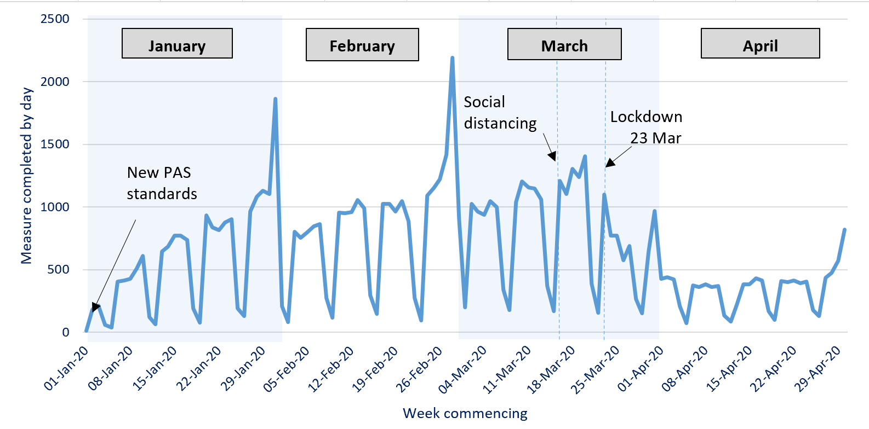
Chart 1: ECO measures installed, by obligation, by month, up to end April 2020 | Chart 2a: Share of all ECO measures installed, by measure type, by ECO phase, up to end April 2020
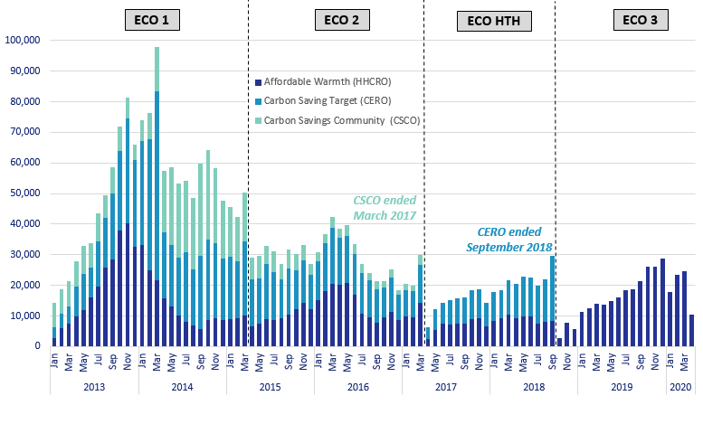
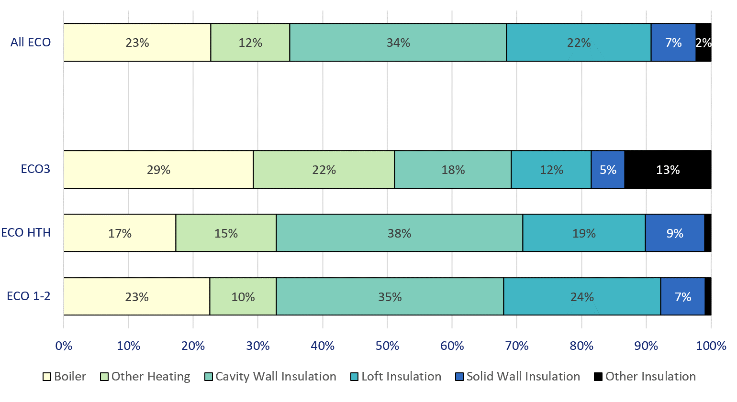

Chart 3: ECO measures by main fuel type of property, by quarter, up to end March 2020 | Chart 2b: Share of all Affordable Warmth measures, by measure type, by ECO phase, up to end April 2020

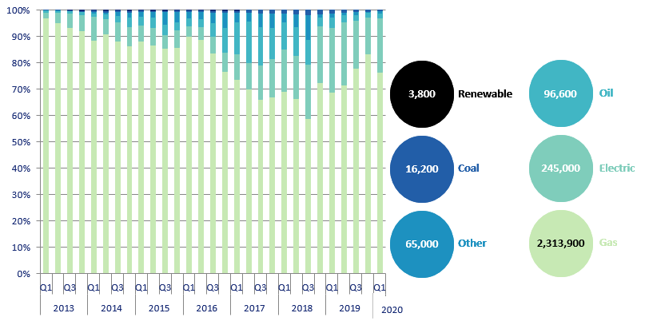
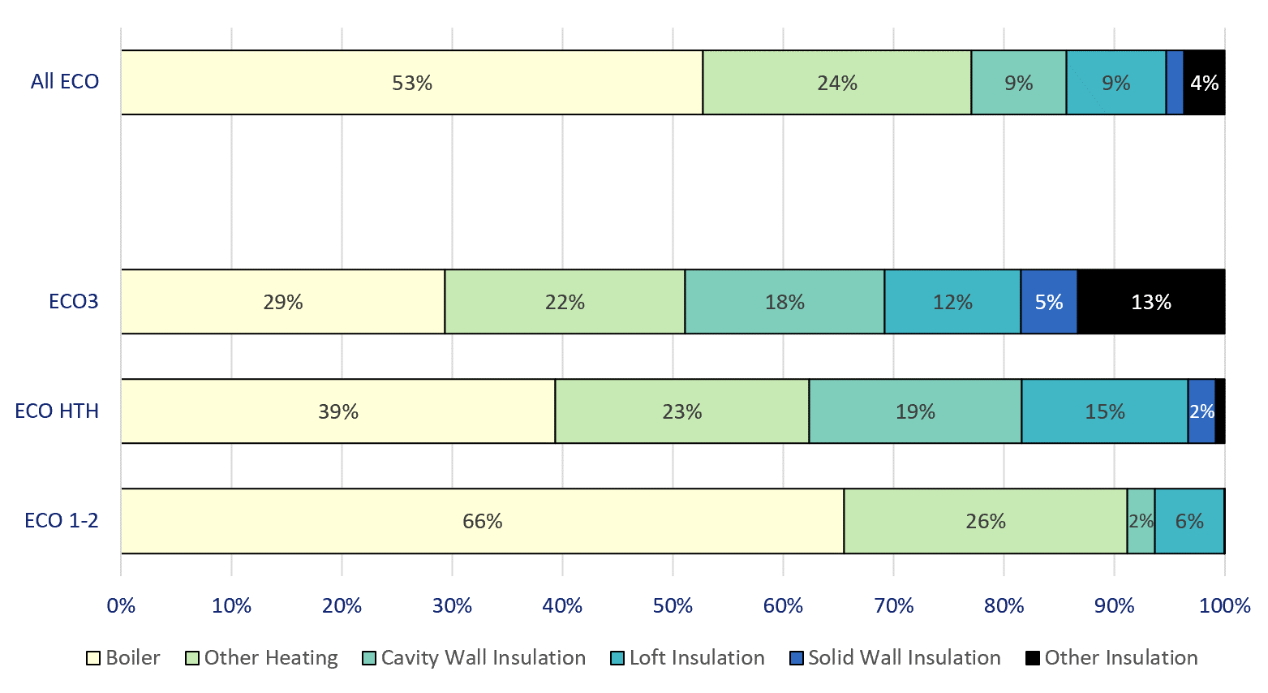

Chart 4: Estimated lifetime bill savings for Affordable Warmth measures, by installation quarter, up to end March 2020 | Chart 5: Number of ECO3 Flexible Eligibility Measures by installation month and share of Affordable Warmth obligation delivered through flex, up to end April 2020

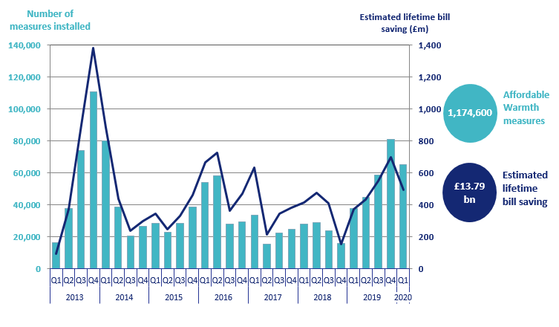
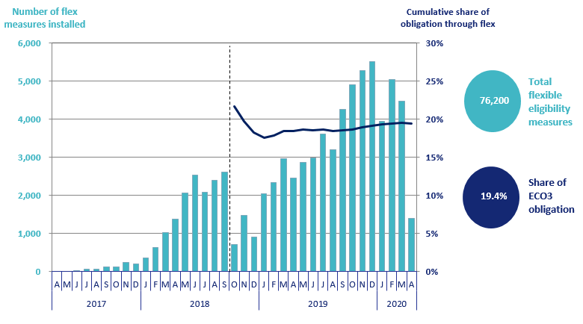

Chart 6: ECO3 costs, by cost type, by quarter, up to end March 2020 | Chart 7: Green Deal Plans, by ‘Live’ or ‘Completed’ status, by quarter, up to end March 2020
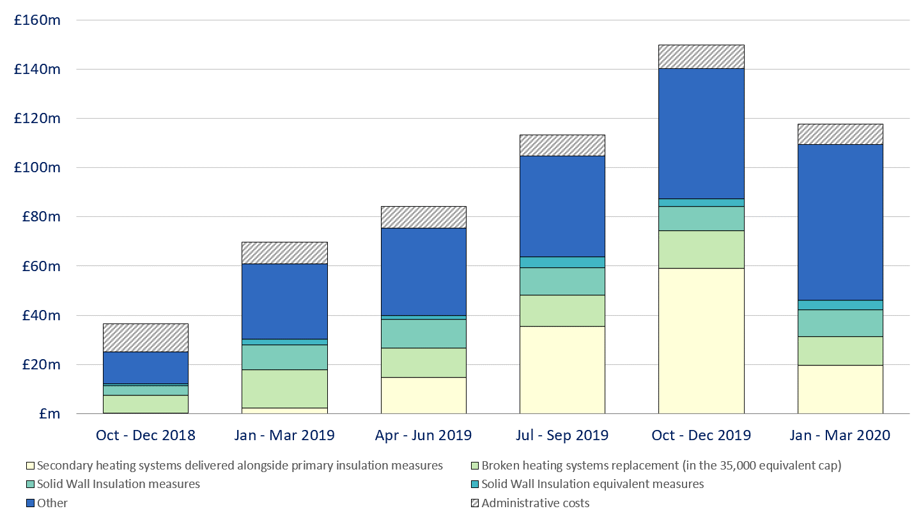
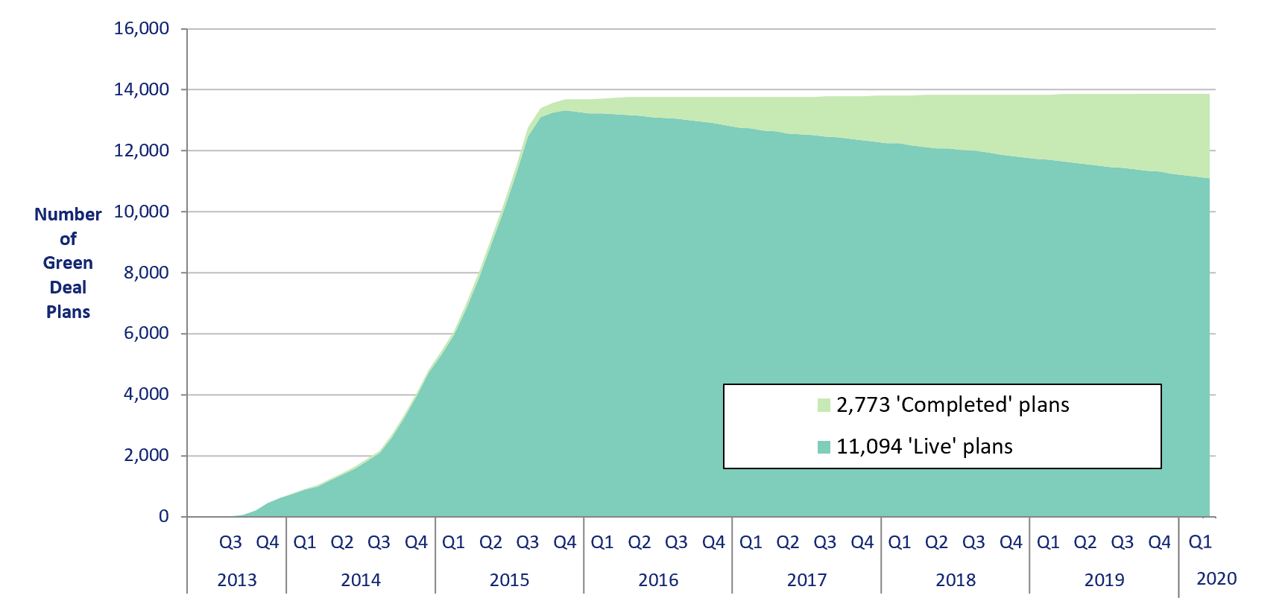

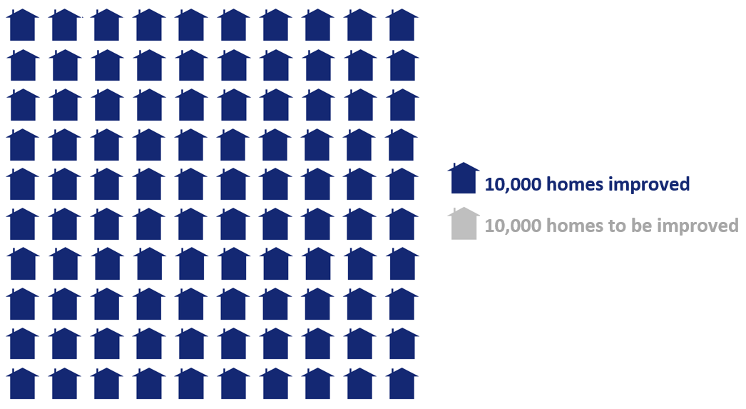
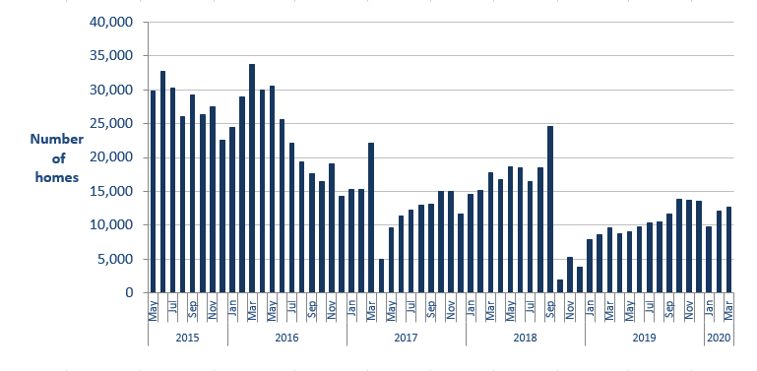
Infographic 1: Proportion of the 1 million homes target achieved, up to end April 2020 | Chart 8: Homes that have had an improvement measure, up to end March 2020

Infographic 2: ECO measures by measure type, up to end April 2020 | Infographic 3: ECO measures by region, up to end March 2020
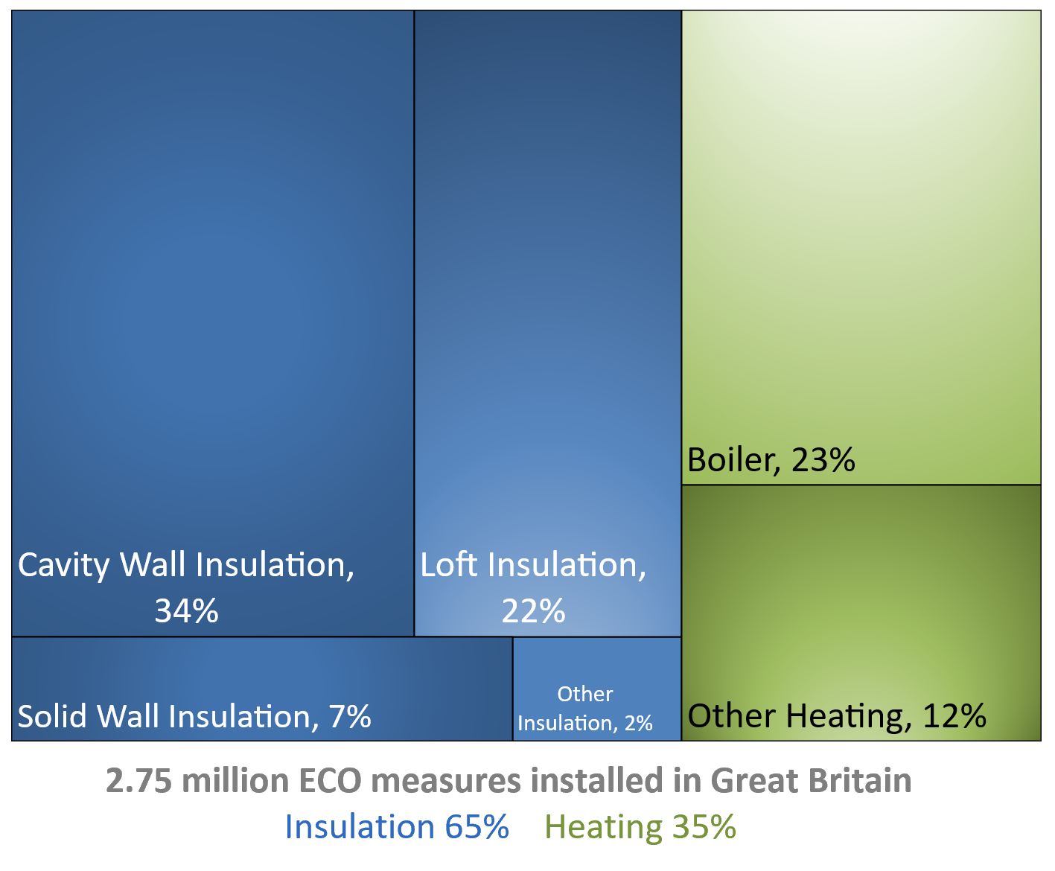
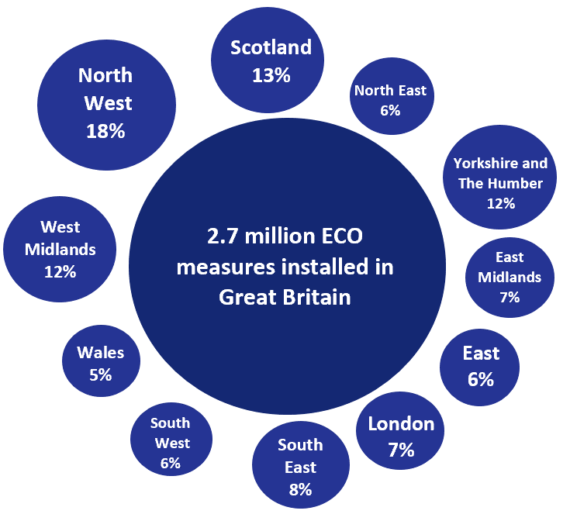

Chart 9: ECO measures installed by day from 1st January 2020 to 30th April 2020

Map1
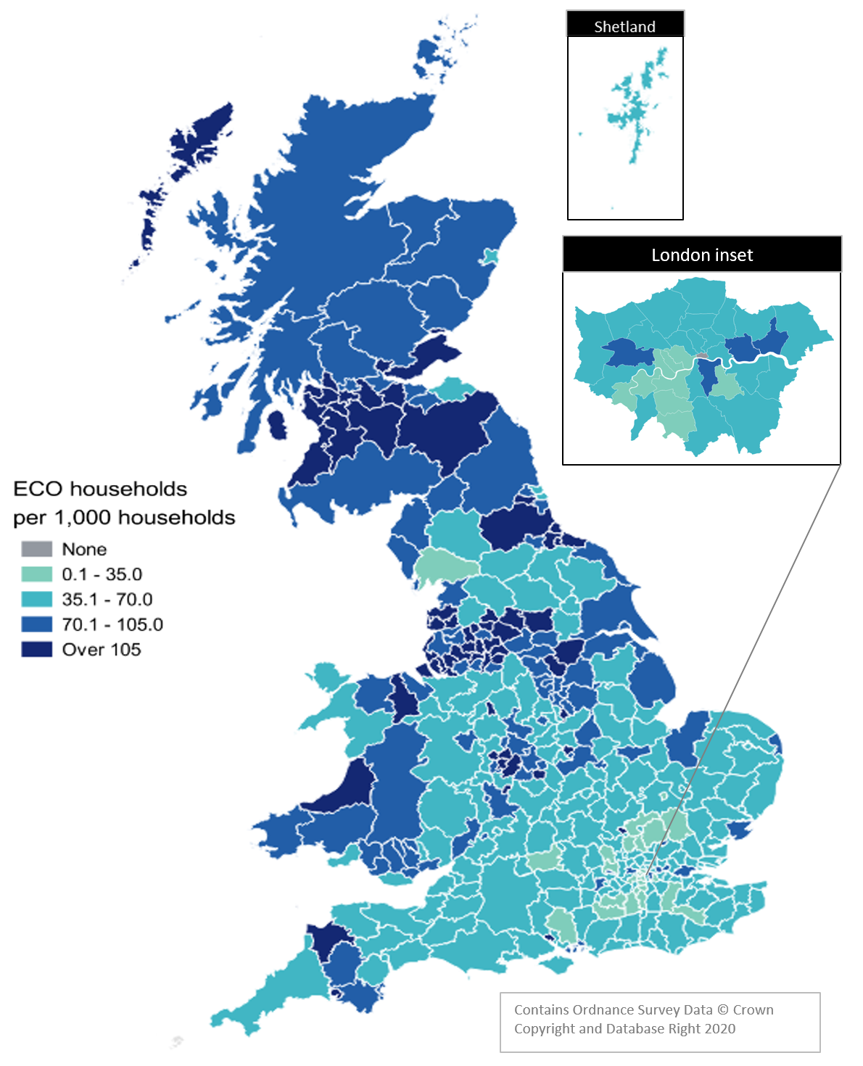
Map 1 – Households in receipt of ECO measures by Local Authority per 1,000 households, up to end March 2020

Map2
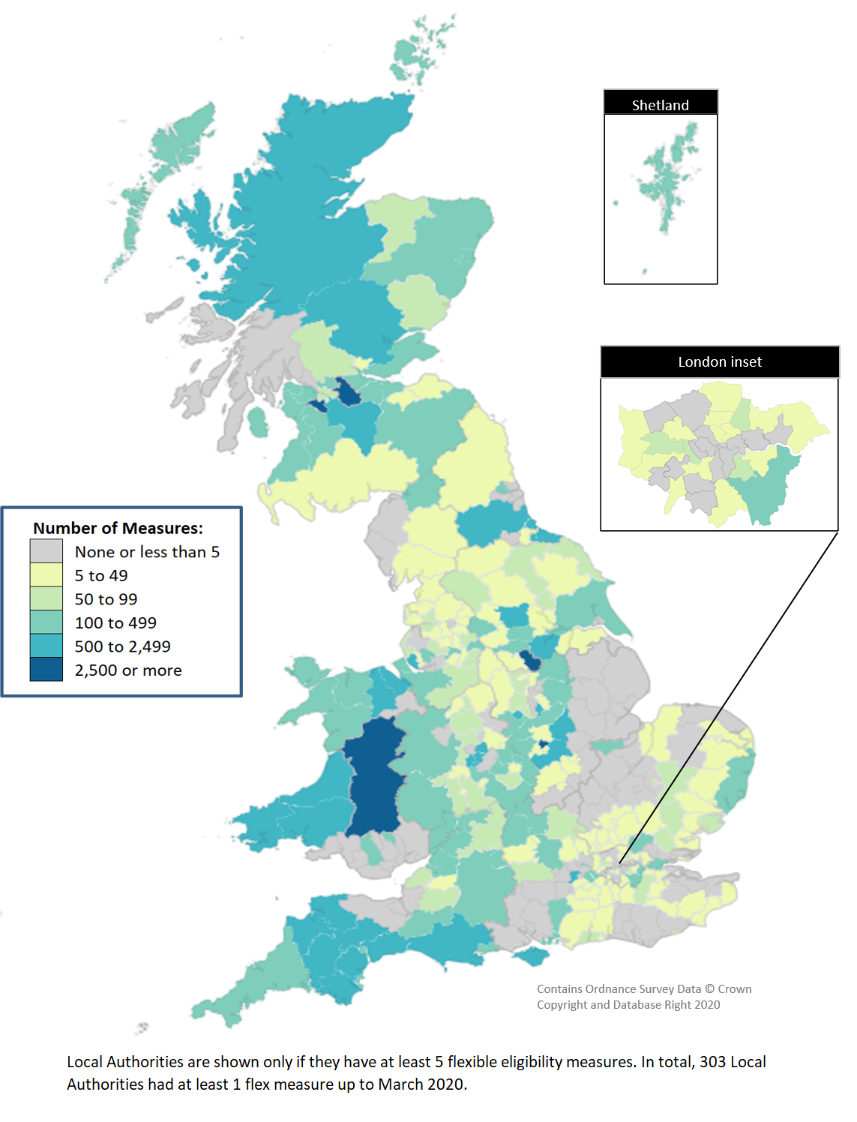
Map 2 - ECO measures installed through Flexible Eligibility, by Local Authority (April 2017 - March 2020)

